Summary_Techniques (ordenado)
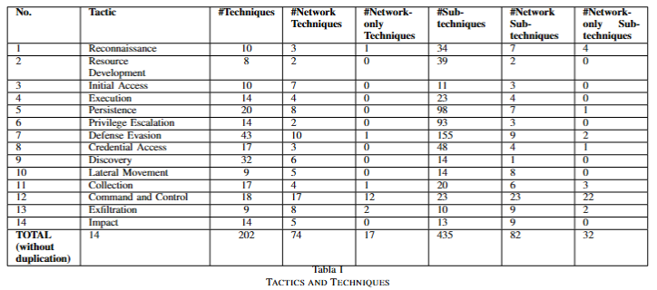
RESUMEN Técnicas
TÁCTICA | #Técnicas | #Técnicas SIN repetición | #Técnicas Detectables Red | #Técnicas Detectables Red SIN repetición | #Técnicas Sólo Detectables Red | #Técnicas Sólo Detectables Red SIN repetición | #Subtécnicas | #Subtécnicas SIN repetición | #Subtécnicas Detectables Red | #Subtécnicas Detectables Red SIN repetición | #Subtécnicas Sólo Detectables Red | #Subtécnicas Sólo Detectables Red SIN repetición
Reconnaissance
Resource Development
Initial Access
Execution
Persistence
Privilege Escalation
Defense Evasion
Credential Access
Discovery
Lateral Movement
Collection
Command and Control
Exfiltration
Impact
TOTAL

CALCULAR!!!:

